PIR
Section 1: Plant Details

Unit
Unit Manager
Area CWU Rep
Date realignment implemented
Date PIR completed

Section 2: Optimised Duty Set

Summary of Assurance of duty set against model week workload (work hours only)
Demand hours (model workload) | Supply hours |  |  |  | Variance | Comments
 | AWD | SA | Variable | Total Supply
 |  |  |  | - | -

Alignment of hours to model workload by shift and day
 |  |  |  |  |  | Comments
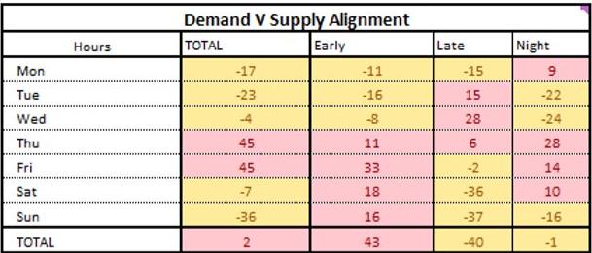
EXAMPLE TO BE REPLACED

Assessment of productivity (WIPWH)
Target | Model week plan | Rebased target | Week 11 | Week 12 | Week 13 | Comments (add follow-up actions to Section 5)

Variance: | 0.0 | Variance: | 0.0 | 0.0 | 0.0

Assessment of fixed/variable %
Fixed % Target | Model week plan |  | Week 11 | Week 12 | Week 13 | Comments (add follow-up actions to Section 5)
85%
Variance | 85% |  | 85% | 85% | 85%

Section 3: Workplan and Quality
 |  | 99.90% | 99.50% | 99.90% | 99.50%
Questions (as used during Assurance of duty set)
 |  |  |  |  | Answer | Comments
Do your plans ensure all 2c / T48 mails are despatched only on the recognised 2c outlets?
Does your DSA duty set ensure that all DSA mails automation mails are processed to batch level by 22:00 to support the 83% target?
Does your duty set ensure all 2c bags are tipped and prepped ensuring 1c mails found achieve 1c despatch?
Does your duty set ensure that 100 % of T48 is processed and despatched by 10:00 (mains 2c despatches)?
Does your duty set ensure that all 2c meter mails as a minimum are processed through IMP/iLSM in time to extract all 1c mails and connect mails to 1c despatch?
Does your duty set ensure that Intra Manual Mails are sorted to Delivery Unit level in time to extract all 1c Missorts and connect to 1c despatch?
Does your duty set ensure that the minimum levels of In Process quality checks take place on every shift every day with appropriate input to SharePoint?
Does your duty set have containment resource aligned to known process point quality risk areas eg. hazards?
Does your production plan ensure that all parcels arriving 90 mins before mains despatches connect with mains 1c despatches?
Is there a plan in place to ensure skills are sufficient to execute a quality clearance following the realignment?

Section 4: PIR Concurrences

I am satisfied that the PIR is complete and that full accountability for maintaining the levels of performance against national workplan is understood & managed in the line

Plant Concurrence
Name
Job Title
Date

CWU Concurrence
Name
Job Title
Date

Section 5: Actions to complete following PIR
Action |  |  |  | By Who | Planned Completion Date | Actual Completion Date

